2017 DOW Factors
 | Day | of | Week | Factors | By | Functional | Class | and | Area | Type | (2013-2017)
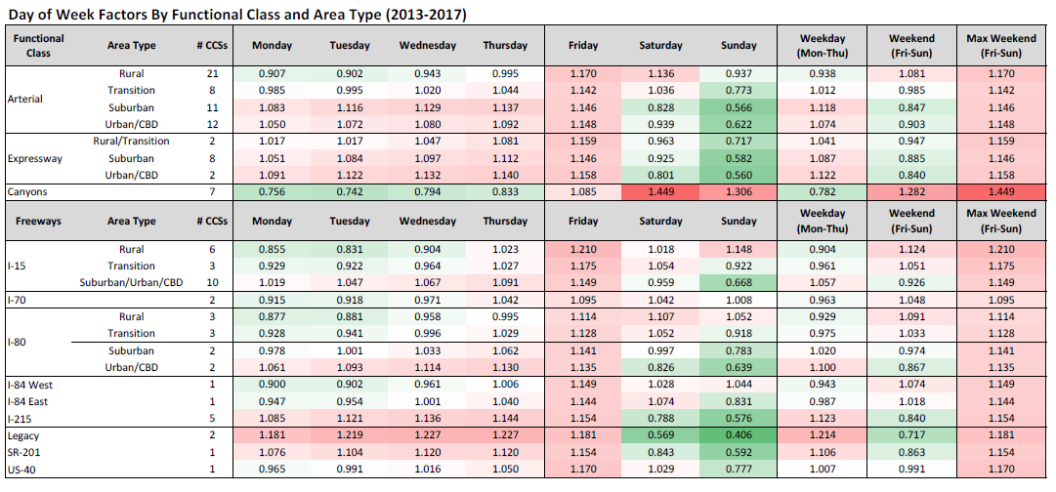

 |  |  |  |  |  |  |  |  |  |  |  | Max
Functional | Area |  |  |  |  |  |  |  |  | Weekday | Weekend | Weekend
Class | Type | # CCSs | Monday | Tuesday | Wednesday | Thursday | Friday | Saturday | Sunday | (Mon-Thu) | (Fri-Sun) | (Fri-Sun)
Arterial | Rural | 21 | 0.907 | 0.902 | 0.943 | 0.995 | 1.17 | 1.136 | 0.937 | 0.938 | 1.081 | 1.17
 | Transition | 8 | 0.985 | 0.995 | 1.02 | 1.044 | 1.142 | 1.036 | 0.773 | 1.012 | 0.985 | 1.142
 | Suburban | 11 | 1.083 | 1.116 | 1.129 | 1.137 | 1.146 | 0.828 | 0.566 | 1.118 | 0.847 | 1.146
 | Urban/CBD | 12 | 1.05 | 1.072 | 1.08 | 1.092 | 1.148 | 0.939 | 0.622 | 1.074 | 0.903 | 1.148
Expressway | Rural/Transition | 2 | 1.017 | 1.017 | 1.047 | 1.081 | 1.159 | 0.963 | 0.717 | 1.041 | 0.947 | 1.159
 | Suburban | 8 | 1.051 | 1.084 | 1.097 | 1.112 | 1.146 | 0.925 | 0.582 | 1.087 | 0.885 | 1.146
 | Urban/CBD | 2 | 1.091 | 1.122 | 1.132 | 1.14 | 1.158 | 0.801 | 0.56 | 1.122 | 0.84 | 1.158
Canyons |  | 7 | 0.756 | 0.742 | 0.794 | 0.833 | 1.085 | 1.449 | 1.306 | 0.782 | 1.282 | 1.449
 |  | Area | Type | # | CCSs | Monday | Tuesday | Wednesday | Thursday | Friday | Saturday | Sunday

 |  |  |  |  |  |  |  |  |  |  |  | Max
 |  |  |  |  |  |  |  |  |  | Weekday | Weekend | Weekend
Freeways |  | # CCSs | Monday | Tuesday | Wednesday | Thursday | Friday | Saturday | Sunday | (Mon-Thu) | (Fri-Sun) | (Fri-Sun)
I-15 | Rural | 6 | 0.855 | 0.831 | 0.904 | 1.023 | 1.21 | 1.018 | 1.148 | 0.904 | 1.124 | 1.21
 | Transition | 3 | 0.929 | 0.922 | 0.964 | 1.027 | 1.175 | 1.054 | 0.922 | 0.961 | 1.051 | 1.175
 | Suburban/Urban/CBD | 10 | 1.019 | 1.047 | 1.067 | 1.091 | 1.149 | 0.959 | 0.668 | 1.057 | 0.926 | 1.149
I-70 |  | 2 | 0.915 | 0.918 | 0.971 | 1.042 | 1.095 | 1.042 | 1.008 | 0.963 | 1.048 | 1.095
I-80 | Rural | 3 | 0.877 | 0.881 | 0.958 | 0.995 | 1.114 | 1.107 | 1.052 | 0.929 | 1.091 | 1.114
 | Transition | 3 | 0.928 | 0.941 | 0.996 | 1.029 | 1.128 | 1.052 | 0.918 | 0.975 | 1.033 | 1.128
 | Suburban | 2 | 0.978 | 1.001 | 1.033 | 1.062 | 1.141 | 0.997 | 0.783 | 1.02 | 0.974 | 1.141
 | Urban/CBD | 2 | 1.061 | 1.093 | 1.114 | 1.13 | 1.135 | 0.826 | 0.639 | 1.1 | 0.867 | 1.135
I-84 West |  | 1 | 0.9 | 0.902 | 0.961 | 1.006 | 1.149 | 1.028 | 1.044 | 0.943 | 1.074 | 1.149
I-84 East |  | 1 | 0.947 | 0.954 | 1.001 | 1.04 | 1.144 | 1.074 | 0.831 | 0.987 | 1.018 | 1.144
I-215 |  | 5 | 1.085 | 1.121 | 1.136 | 1.144 | 1.154 | 0.788 | 0.576 | 1.123 | 0.84 | 1.154
Legacy |  | 2 | 1.181 | 1.219 | 1.227 | 1.227 | 1.181 | 0.569 | 0.406 | 1.214 | 0.717 | 1.181
SR-201 |  | 1 | 1.076 | 1.104 | 1.12 | 1.12 | 1.154 | 0.843 | 0.592 | 1.106 | 0.863 | 1.154
US-40 |  | 1 | 0.965 | 0.991 | 1.016 | 1.05 | 1.17 | 1.029 | 0.777 | 1.007 | 0.991 | 1.17

